Fig1
Figure 1: Classification of United States Dental Schools, 2018-191
Return to Table of Contents
 | 2013-14
Public Schools | 60
Private | 0
Private Non-Profit Schools | 35.4
Private-State Related Schools | 4.6

1 Refer to glossary for classification definitions.

Source: American Dental Association, Health Policy Institute, 2018-19 Survey of Dental Education (Group I, Question 5).
©2019 American Dental Association

Fig2
Figure 2: United States Dental School Examined Applications1 by Gender2, 2008-09 to 2018-19
Return to Table of Contents
 | Female | Male | #REF! | Total
2008-09 | 20,728 | 27,528 | 1 | 48256
2009-10 | 25,595 | 32,039 |  | 57634
2010-11 | 25,259 | 32,966 |  | 58225
2011-12 | 28,746 | 36,528 |  | 65274
2012-13 | 30,392 | 35,397 |  | 66086
2013-14 | 29,816 | 36,063 |  | 66649
2014-15 | 28,831 | 33,064 |  | 62320
2015-16 | 34,341 | 37,722 |  | 72997
2016-17 | 38,546 | 40,728 |  | 79953
2017-18 | 35,013 | 35,618 |  | 70667
2018-19 | 33,169 | 32,009 |  | 65363
 | 2007-08 | 2008-09 | 2009-10 | 2010-11 | 2011-12 | 2012-13 | 2013-14 | 2014-15 | 2015-16 | 2016-17 | 2017-18 | 2018-19
Female | 23,001 | 20,728 | 25,595 | 25259 | 28746 | 30392 | 29816 | 28831 | 34341 | 38546 | 35013 | 33169
Male | 30,366 | 27,528 | 32,039 | 32966 | 36528 | 35397 | 36063 | 33064 | 37722 | 40728 | 35618 | 32009
Total | 53367 | 48256 | 57634 | 58225 | 65274 | 66086 | 66649 | 62320 | 72997 | 79953 | 70667 | 65363

 | 53,367 | 48,256 | 57,634 | 58,225 | 65,274 | 65,789 | 65,879 | 61,895 | 72,063 | 79,274 | 70,631 | 65,178

1 Number of individuals whose credentials were complete and examined by an admissions committee, and were considered for admission to the first-year class. This figure represents the total number of applications examined by all dental schools, and counts applicants more than once if they applied to multiple programs.

2 Note that, beginning in 2012-13, total number of examined applications include those for whom gender was not available. As a result, the totals shown in the graph exceed the sum of applications from males and females. In 2015-16, the gender category "Other" was added to include applicants whose gender was unknown, or who did not identify as male or female.

Source: American Dental Association, Health Policy Institute, Surveys of Dental Education (Group II, Question 2).
© 2019 American Dental Association

Fig3
Figure 3: Percentage of Repeating1 First-Year United States Dental Students, 2008-09 to 2018-19
Return to Table of Contents

adv enrollment and grads | % repeating students

 | Year | 2008-09 | 2009-10 | 2010-11 | 2011-12 | 2012-13 | 2013-14 | 2014-15 | 2015-16 | 2016-17 | 2017-18 | 2018-19
 |  | 1.1% | 1.0% | 1.4% | 0.9% | 1.1% | 1.0% | 1.1% | 1.0% | 1.0% | 0.8% | 1.1%

1 Refer to glossary for definition.

Source: American Dental Association, Health Policy Institute, Surveys of Dental Education (Group II, Question 22).
©2019 American Dental Association

Fig4
Figure 4: First-Year United States Dental School Enrollment by Gender1, 2008-09 to 2018-19
Return to Table of Contents

Year | 2008-09 | 2009-10 | 2010-11 | 2011-12 | 2012-13 | 2013-14 | 2014-15 | 2015-16 | 2016-17 | 2017-18 | 2018-19
Male | 2,744 | 2,762 | 2,793 | 2,976 | 3,009 | 3,149 | 3,120 | 3,053 | 3,119 | 3112 | 3061
Female | 2,174 | 2,327 | 2,377 | 2,517 | 2,688 | 2,755 | 2,847 | 2,929 | 3021 | 3069 | 3174
Other | 0 | 0 | 0 | 0 | 0 | 0 | 0 | 18 | 25 | 3 | 15
Total | 4,918 | 5,089 | 5,170 | 5,493 | 5,697 | 5,904 | 5,967 | 6,000 | 6,165 | 6,184 | 6,250

1 In 2015-16, the "Other" gender category was added for students who prefer not to report gender, do not identify as either male or female, or whose gender is not available. There were 18 first-year students in this gender category in 2015-16, 25 in 2016-17, three in 2017-18, and 15 in 2018-19.

Source: American Dental Association, Health Policy Institute, Surveys of Dental Education (Student Roster and Group II, Question 11).
©2019 American Dental Association

Fig5
Figure 5: Region1 of Legal Residence of First-Year United States Dental Students, 2018-19
Return to Table of Contents
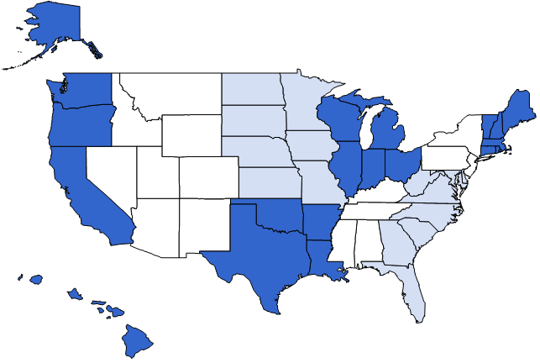
Mountain
409 (6.5%)
West North Central
403 (6.4%)

East North Central
853 (13.6%)
New England
260 (4.2%)

Middle Atlantic
948 (15.2%)
Pacific
971 (15.5%)

South Atlantic
1,194 (19.1%)

Other/International/
Unspecified Areas
256 (4.1%)
West South Central
640 (10.2%)
East South Central
316 (5.1%)

1 United States regions are:
New England: Connecticut, Maine, Massachusetts, New Hampshire, Rhode Island, Vermont
Middle Atlantic: New Jersey, New York, Pennsylvania
South Atlantic: Delaware, D.C., Florida, Georgia, Maryland, North Carolina, South Carolina, Virginia, West Virginia
East South Central: Alabama, Kentucky, Mississippi, Tennessee
East North Central: Illinois, Indiana, Michigan, Ohio, Wisconsin
West North Central: Iowa, Kansas, Minnesota, Missouri, Nebraska, North Dakota, South Dakota
West South Central: Arkansas, Louisiana, Oklahoma, Texas
Mountain: Arizona, Colorado, Idaho, Montana, Nevada, New Mexico, Utah, Wyoming
Pacific: Alaska, California, Hawaii, Oregon, Washington
Other/International/Unspecified Areas: Guam, Puerto Rico, Virgin Islands, Unspecified US States, Alberta, British Columbia, Manitoba, New Brunswick, Ontario, Quebec, Saskatchewan, Unspecified Canadian Provinces, and Other Countries.

Source: American Dental Association, Health Policy Institute, 2018-19 Survey of Dental Education (Group II, Question 13).
©2019 American Dental Association

Fig6
Figure 6: Total United States Dental School Enrollment by Class and Gender, 2018-191
Return to Table of Contents

 | 4th | 3rd | 2nd | 1st | 1st | 2nd | 3rd | 4th
Female | 3,165 | 3,420 | 3,063 | 3,174 | 50.8 | 49.8 | 51.0 | 50.4
Male | 3,095 | 3,275 | 3,068 | 3,061 | 49.0 | 49.9 | 48.8 | 49.3
Other | 17 | 11 | 17 | 15 | 0.5 | 0.3 | 0.2 | 0.3
Total | 6,277 | 6,706 | 6,148 | 6,250

1In 2015-16, the gender category "Other" was added to the survey for students who prefer not to report gender, do not identify as either male or female, or whose gender is not available. As a result, some of the totals shown in the graph exceed the sum of male and female students.

Source: American Dental Association, Health Policy Institute, 2018-19 Survey of Dental Education (Group II, Questions 11, 18, 19, and 20).
© 2019 American Dental Association

Fig7
Figure 7: United States Dental School Graduates by Gender, 2008 to 2018
Return to Table of Contents

 | 2006 | 2007 | 2008 | 2009 | 2010 | 2011 | 2012 | 2013 | 2014 | 2015 | 2016 | 2017 | 2018
Female | 2,026 | 2,099 | 2,135 | 2,251 | 2,261 | 2,308 | 2,416 | 2,533 | 2,607 | 2,791 | 2924 | 3026 | 3135
Male | 2,489 | 2,615 | 2,661 | 2,622 | 2,735 | 2,762 | 2,813 | 2,818 | 2,884 | 3,017 | 3032 | 3205 | 3164
Other | - | - | 20 | 19 | 24 | 36 | 38 | 39 | 39 | 3 | 1 | 7 | 6
Total | 4,515 | 4,714 | 4,816 | 4,892 | 5,020 | 5,106 | 5,267 | 5,390 | 5,530 | 5,811 | 5,957 | 6,238 | 6,305

1In 2015-16, the gender category "Other" was added to the survey for graduates who prefer not to report gender, do not identify as either male or female, or whose gender is not available. Additionally, one program retroactively reported additional graduates for the years 2008 to 2014 with no gender information available. As a result, the totals shown in the graph exceed the sum of male and female graduates.

Source: American Dental Association, Health Policy Institute, Surveys of Dental Education (Student Roster and Group II, Question 24.)
©2019 American Dental Association

Fig8
Figure 8: Number of 2018 Graduates in Dental-Related Activity
Return to Table of Contents

 | 2017 |  | Variable | Sum | Minimum | Maximum
In Dental-Related Activiry | 4631 | 0.89367039753 | OA1 | 5182 | 0 | 346
Not in Dental-Related Activity | 609 | 0.1175221922 | OA2 | 4573 | 0 | 346

Source: American Dental Association, Health Policy Institute, 2018-19 Survey of Dental Education (Group II, Questions 25-26).
© 2019 American Dental Association

Fig9
Figure 9: Outcomes Assessment for Class of 2017
Return to Table of Contents

 |  |  |  |  | Variable | Sum | N
Originally Enrolled | 5882 | OA |  |  | OA | 5882 | 65
Completed Program | 5697 | OATOT | 96.9% |  | OATOT | 5697 | 65
Passed Clinical Licensure Exam | 5218 | OACLP | 97.9% | Passed clinical exam | OACLP | 5218 | 62
Passed National Board Exam | 5638 | OANBP | 99.6% | Passed national board exam | OANBP | 5638 | 65
Enrolled in an accredited advanced dental education program | 2246 | OAADVENR | 91.6% | Enrolled in advanced program | OAADVENR | 2246 | 62
 |  |  |  | Took clinical licensure exam | OACLT | 5330 | 63
 |  |  |  | Took national board exam | OANBT | 5658 | 65
 |  |  |  | Applied to advanced program | OAADVAPP | 2451 | 60

1 This figure excludes transfer students, all graduates of an international dental program that were admitted with advanced standing, and any part-time or repeating students who did not initially matriculate on a schedule to graduate in 2017. Percentages are based on the number who took the exam or applied to an advanced dental education program.

Source: American Dental Association, Health Policy Institute, 2018-19 Survey of Dental Education (Group I, Questions 1-4).
©2019 American Dental Association

Fig10
Figure 10: Average Number of Patient Visits1 and New Patients Screened in United States Dental Schools, 2008-09 to 2018-192
Return to Table of Contents

 | 2008-09 | 2009-10 | 2010-11 | 2011-12 | 2012-13 | 2013-14 | 2014-15 | 2015-16 | 2016-17 | 2017-18 | 2018-19
Patient visits | 52,272 | 52,490 | 54,741 | 54115 | 54512 | 48567 | 48407 | 47813 | 48069 | 45427.55 | 44263
Patients screened | 6,246 | 6,568 | 5,772 | 5618 | 5495 | 5153 | 4760 | 5096 | 5084 | 4724 | 4502

1 Refer to glossary for definition of patient visits and patients screened.
2 Note that each school specified a twelve-month period for the most recent data available at the time of the survey.

Source: American Dental Association, Health Policy Institute, 2018-19 Survey of Dental Education (Group I, Questions 27 and 28).
© 2019 American Dental Association

Fig11
Figure 11: Dental School Full-Time Equivalent Support Personnel in Basic Science1, Clinical Science, Research and All Other Support, 2018-19
Return to Table of Contents
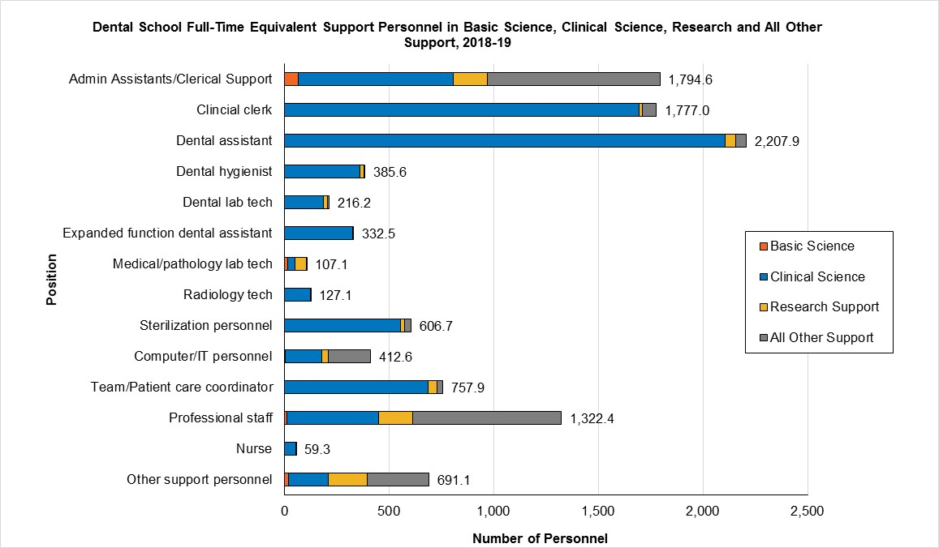

1 Twenty-five of 66 dental schools (38%) have basic science departments located outside of the school of dentistry; therefore, these programs did not report any basic science personnel.

Source: American Dental Association, Health Policy Institute, 2018-19 Survey of Dental Education (Group I, Question 22).
© 2019 American Dental Association

Fig12
Figure 12: Type of Faculty Providing Basic Science Instruction for Program, 2018-19
Return to Table of Contents

 | Basic Science Faculty | Percent | n
 | DENTAL SCHOOL FACULTY ONLY | 18.8 | 12
 | MEDICAL AND DENTAL SCHOOL FACULTY SHARE INSTRUCTION | 68.18 | 45
 | FACULTY FROM INDEPENDENT BASIC SCIENCE DIVISION OF UNIVERSITY | 9.09 | 6
 | MEDICAL SCHOOL FACULTY ONLY | 4.55 | 3

Source: American Dental Association, Health Policy Institute, 2018-19 Survey of Dental Education (Group I, Question 21).
© 2019 American Dental Association

